UW Info
Quotation Ref no.: | ART-2026062519-MW
Listed Area: | Persian Gulf/Gulf of Oman - Transit Straits of Hormuz
Estimated Date of Arrival: | 2026-06-29

Vessel Name | IMO | Role | Flag | Israeli Interest - Y/N | EU | UK | UN | US | Call Port history to Israel (For GOA/IO/Red Sea only)
NV AQUAMARINE | 9307736 | LPG Tanker | Vietnam | No | No | No | No | No | No

Parties Involved | IMO | Role | Country Origin | Israeli Interest - Y/N | EU | UK | UN | US | Address
NHAT VIET TRANSPORTATION CORP | 5486413 | Ship manager/Commercial manager | Vietnam | No | No | No | No | No | 151, Nguyen Van Thu, District 1, Ho Chi Minh City, Vietnam.
NHAT VIET TRANSPORTATION CORP | 5486413 | ISM Manager | Vietnam | No | No | No | No | No | 151, Nguyen Van Thu, District 1, Ho Chi Minh City, Vietnam.
NHAT VIET TRANSPORTATION CORP | 5486413 | Registered owner | Vietnam | No | No | No | No | No | 151, Nguyen Van Thu, District 1, Ho Chi Minh City, Vietnam.

Quotation Ref no. | Broker | Listed Area | Type of Coverage | Net rate | Premium | Bound or not
ART-2026031605-MW | 28-BMC Asia/JS Risks | Persian Gulf/Gulf of Oman | Marine Hull War | 0.4375% | 200,666.01 | Bound
ART-2026030505-CO | 28-BMC Asia/JS Risks | Persian Gulf/Gulf of Oman | Cargo War | 0.0100% | 1,088.53 | Bound
ART-2026030519-MW | 28-BMC Asia/JS Risks | Persian Gulf/Gulf of Oman | Marine Hull War | 0.3150% | 144,479.52 | Bound

Cargo carried on board | HS Code | Loading Port | Discharge Port | Intermediate Port | EU | UK | UN | US | Any EU/UK/US Nexus
 |  | from SOHAR - RUIWAS, UAE - INDIA (HRA: Arabian Gulf / Transit Straits of Hormuz/ Persian Gulf/ Indian Ocean)

EXAMPLE



Email Draft format

Search results
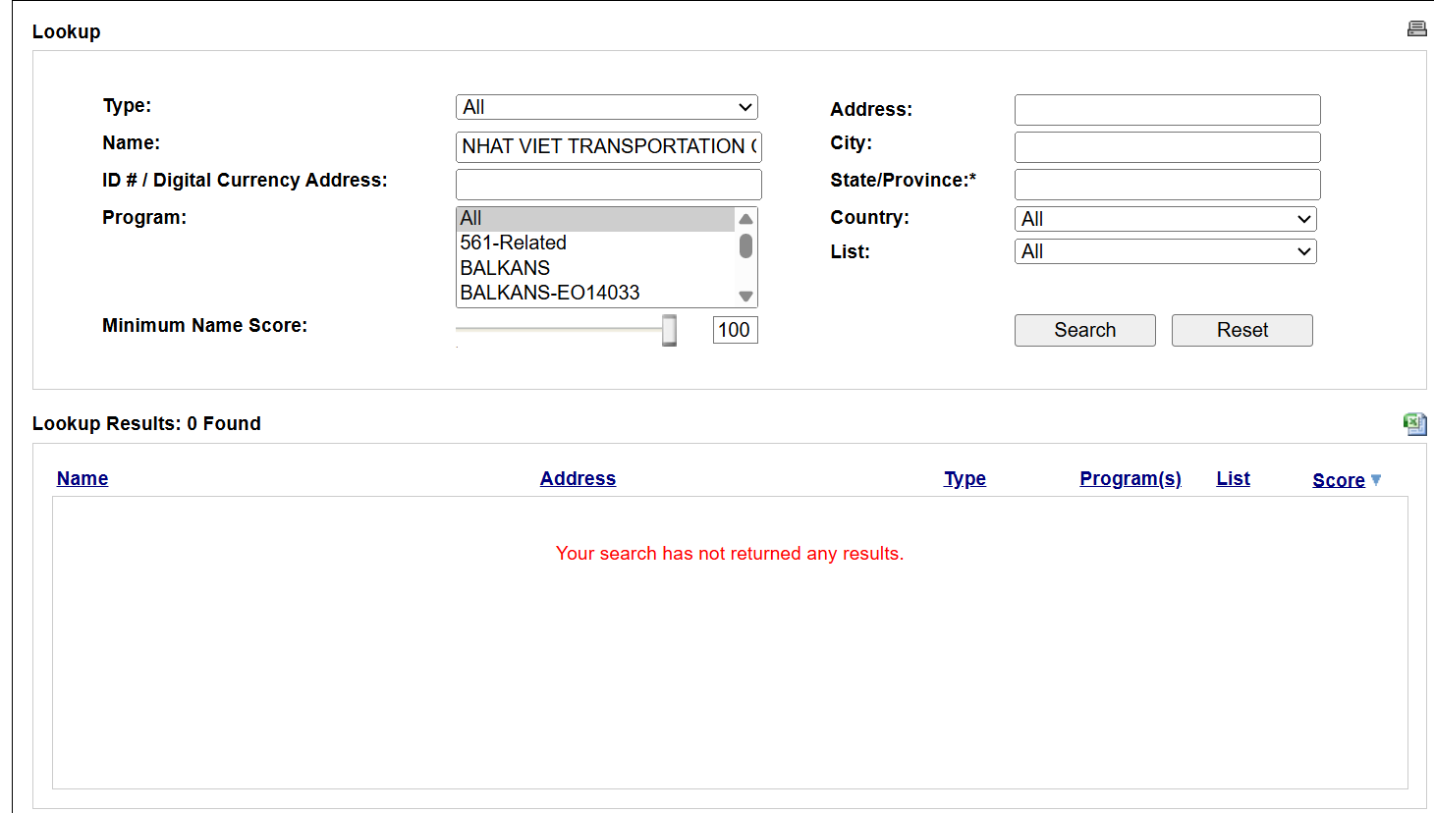
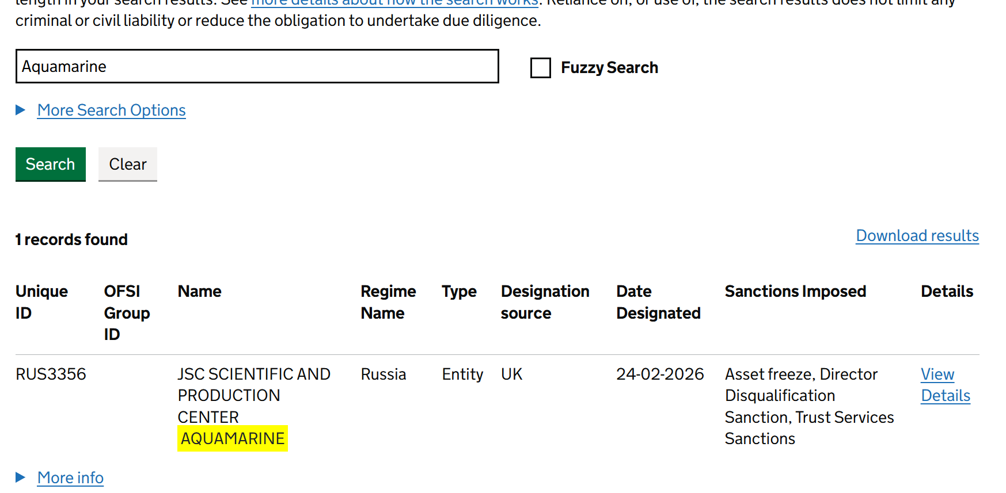
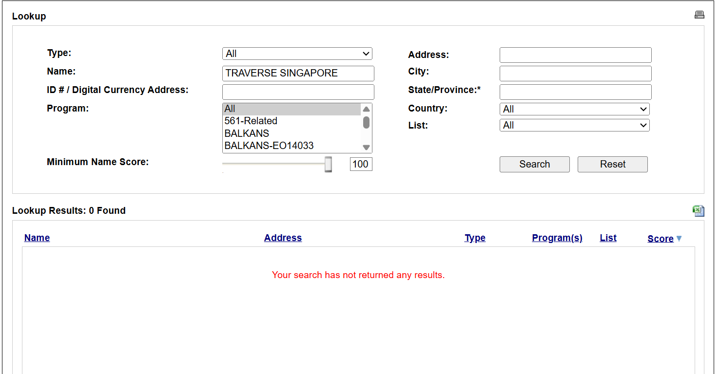
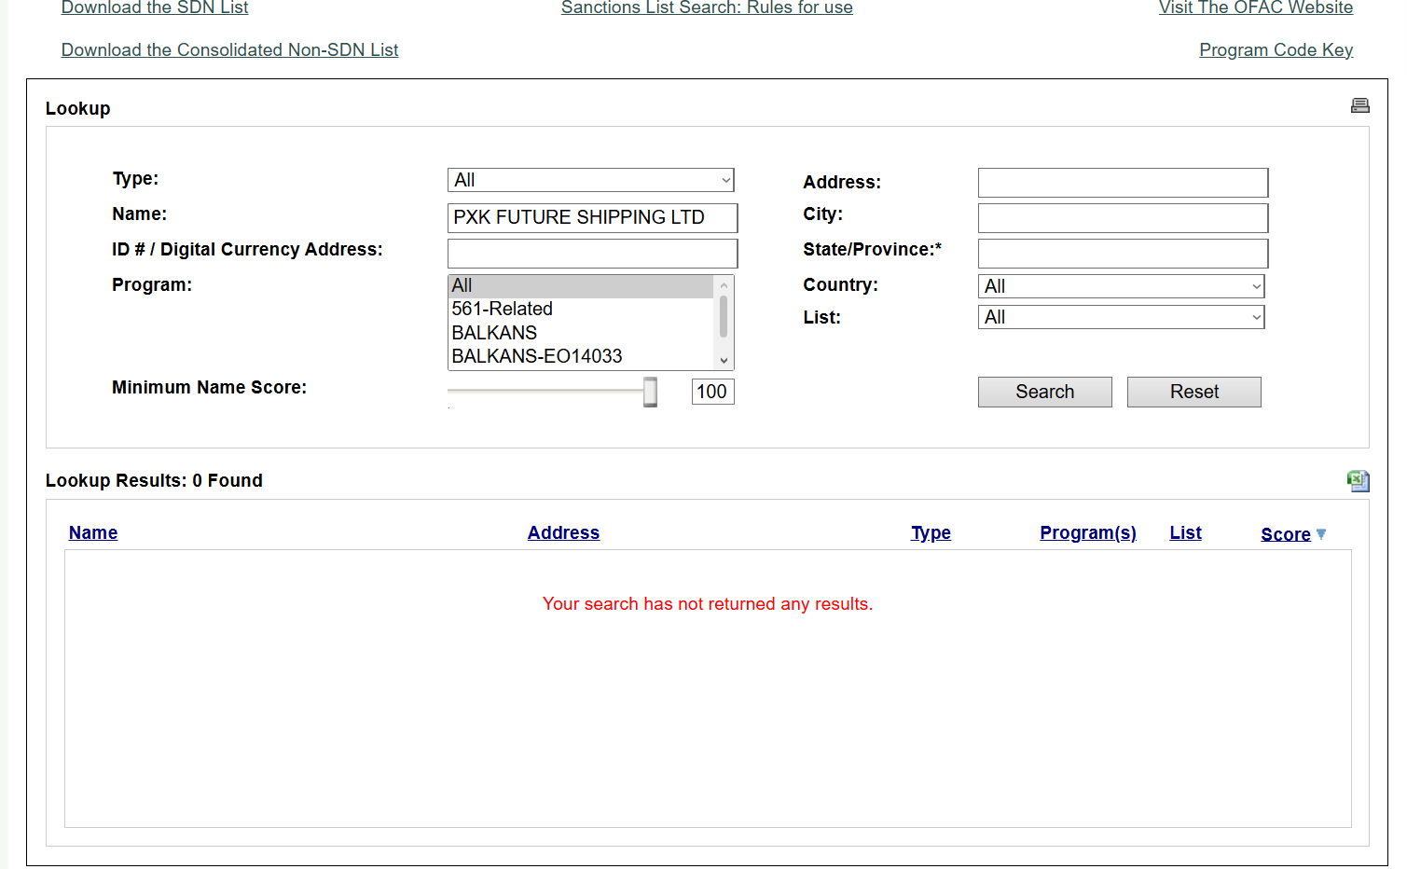
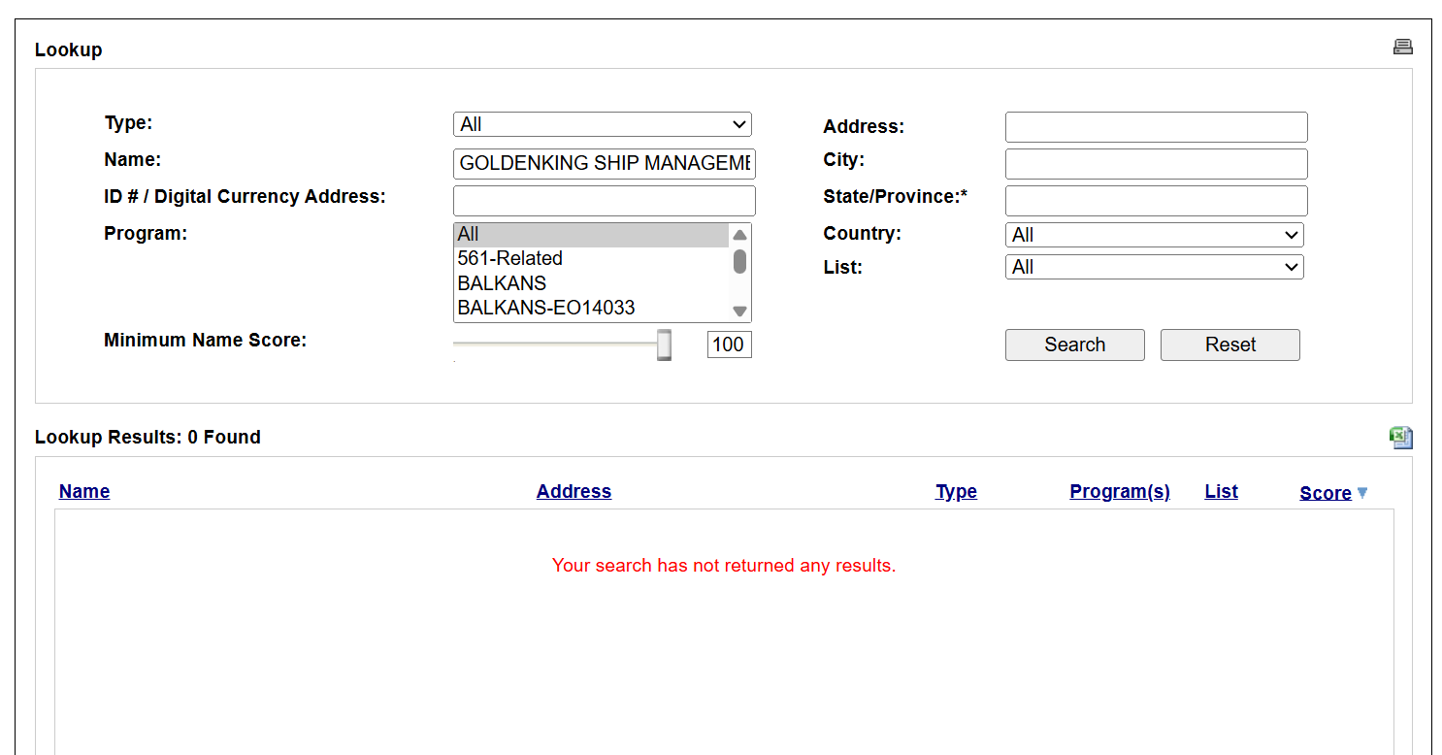
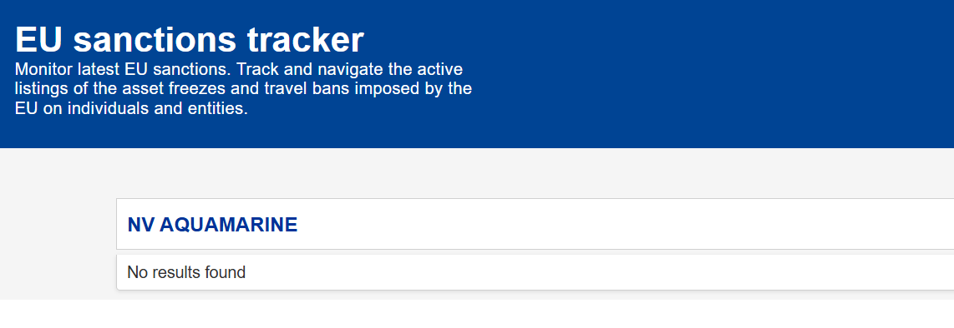
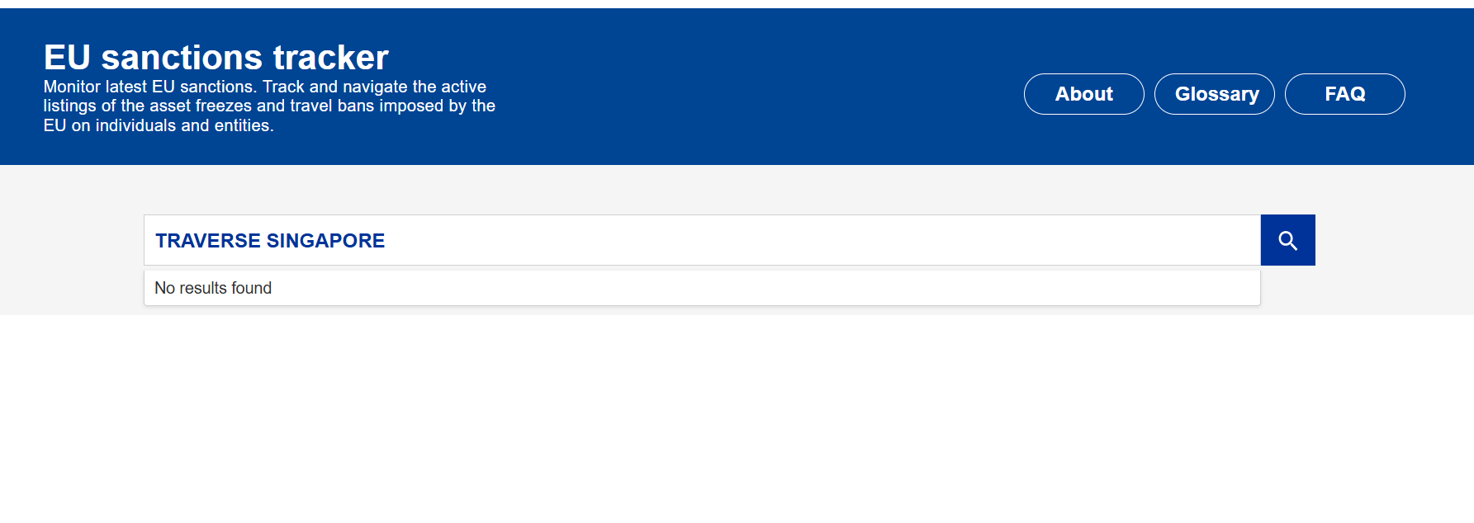
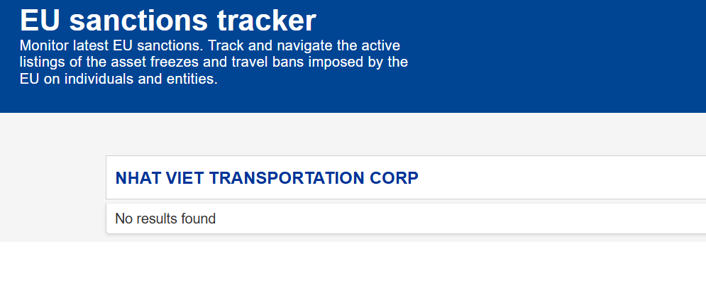
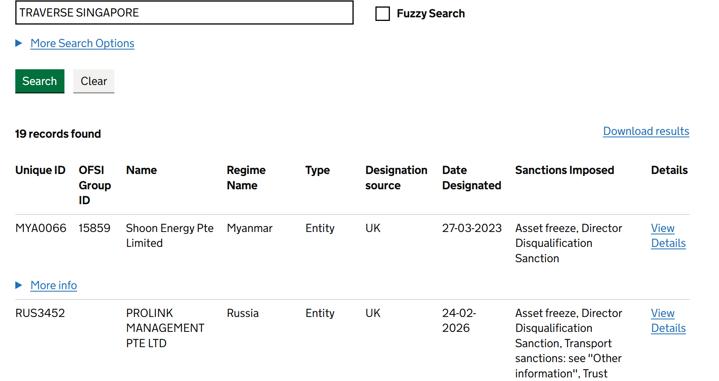
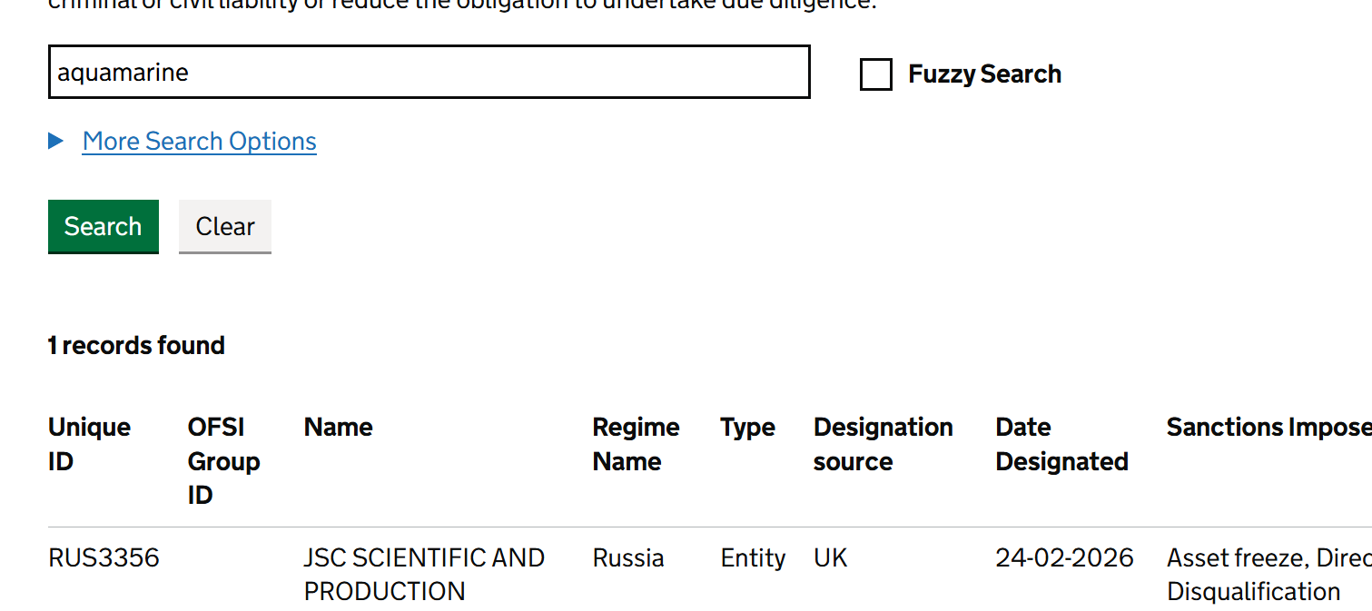
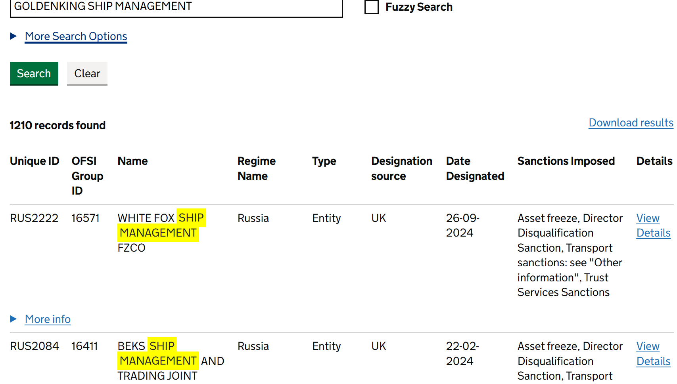
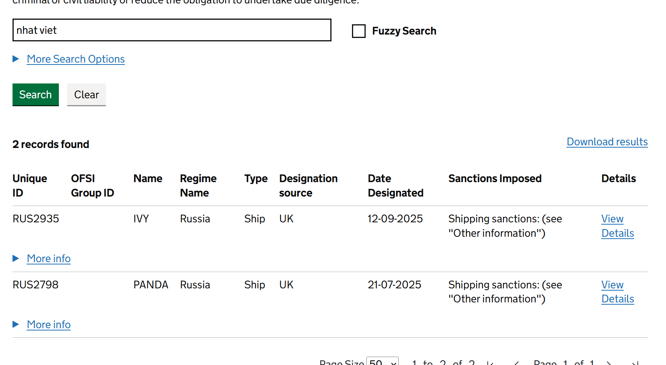
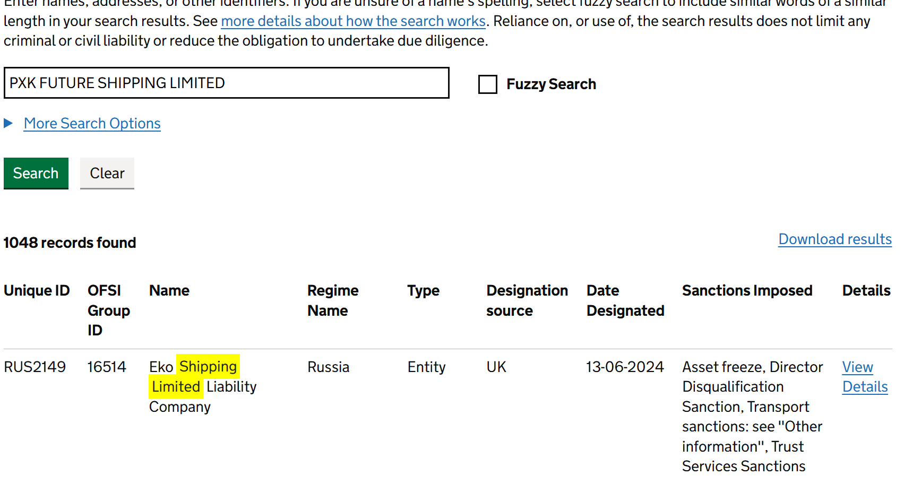

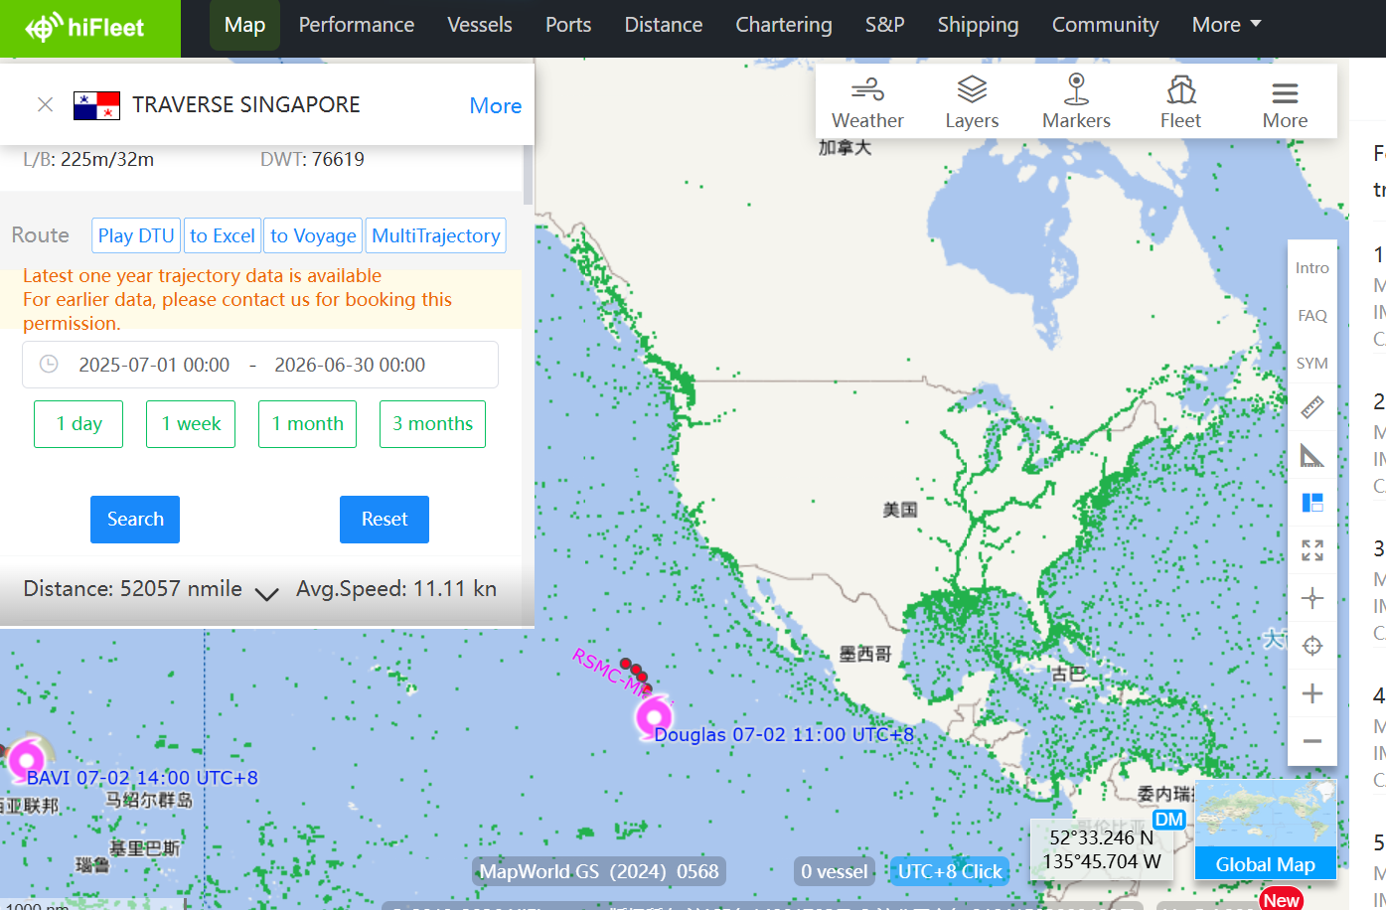
No call port history to Israel in the past 12 months from 2025-07-01 | No call port history to US in the past 12 months from 2025-07-01
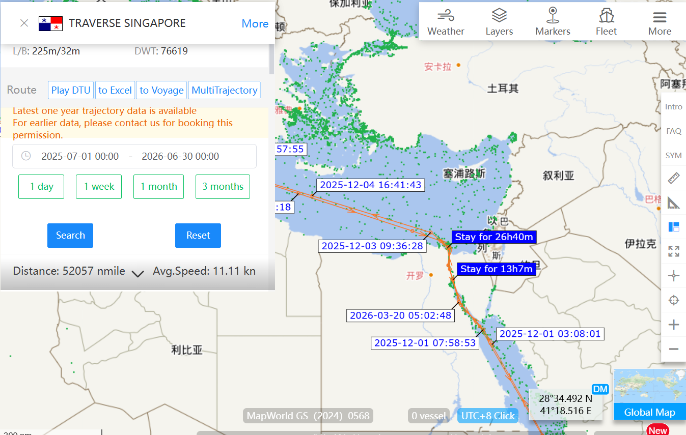
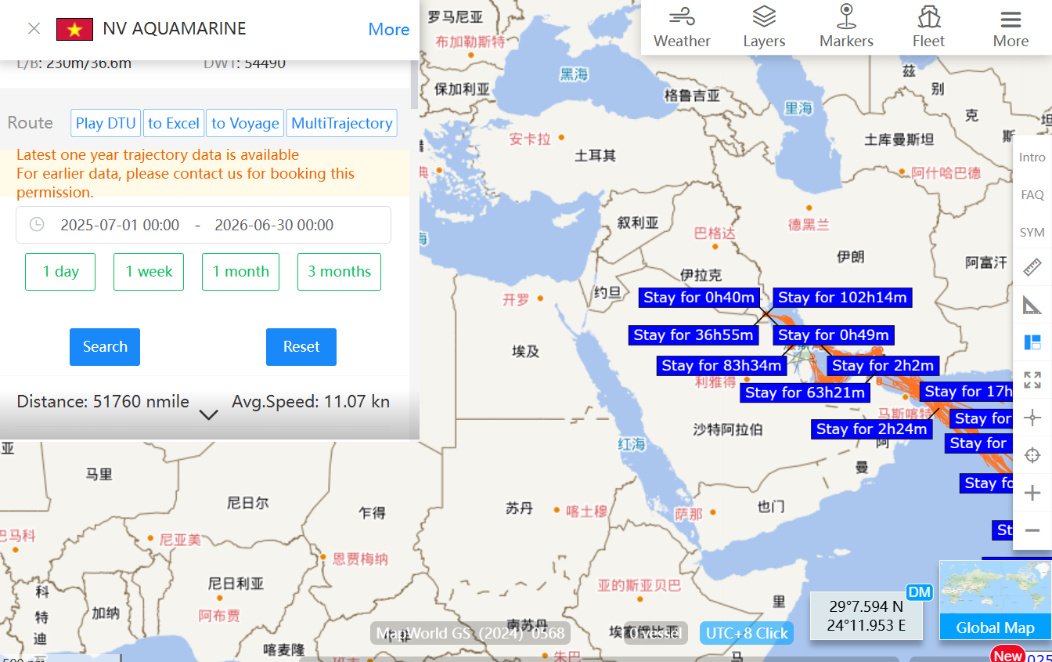
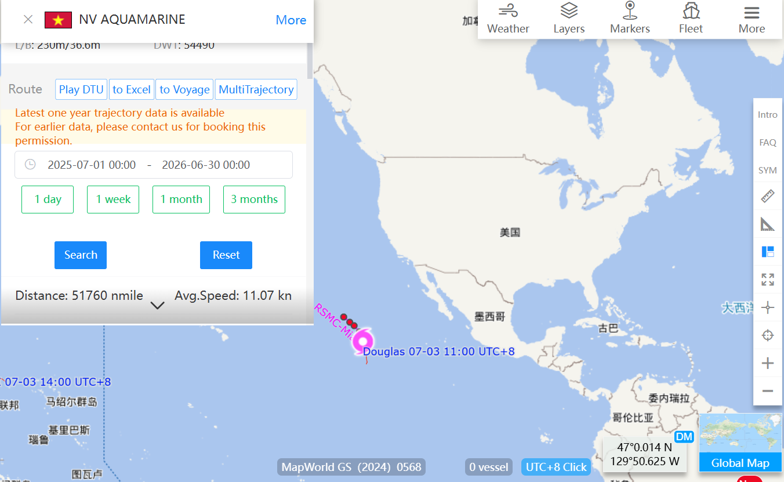
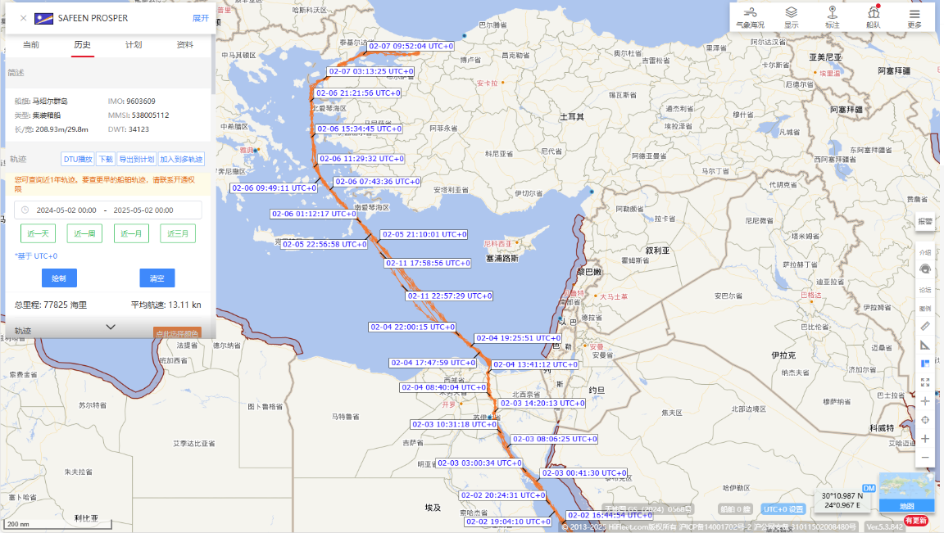
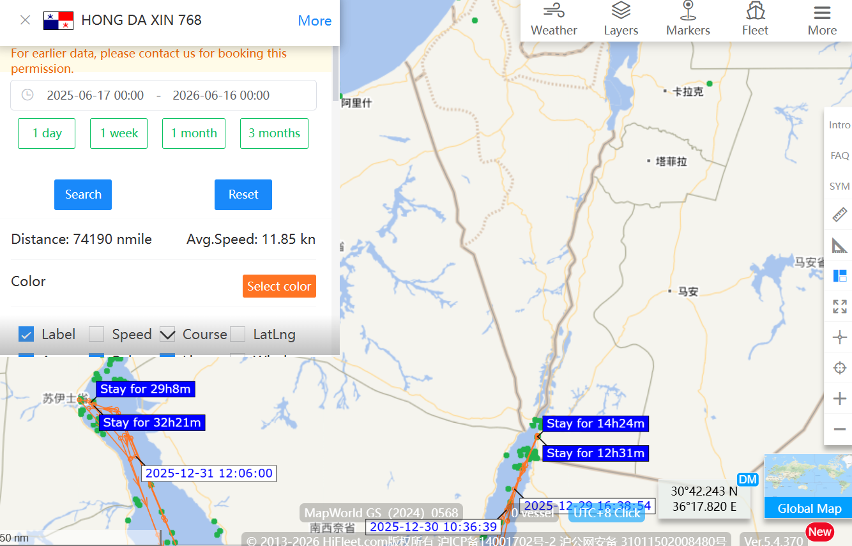
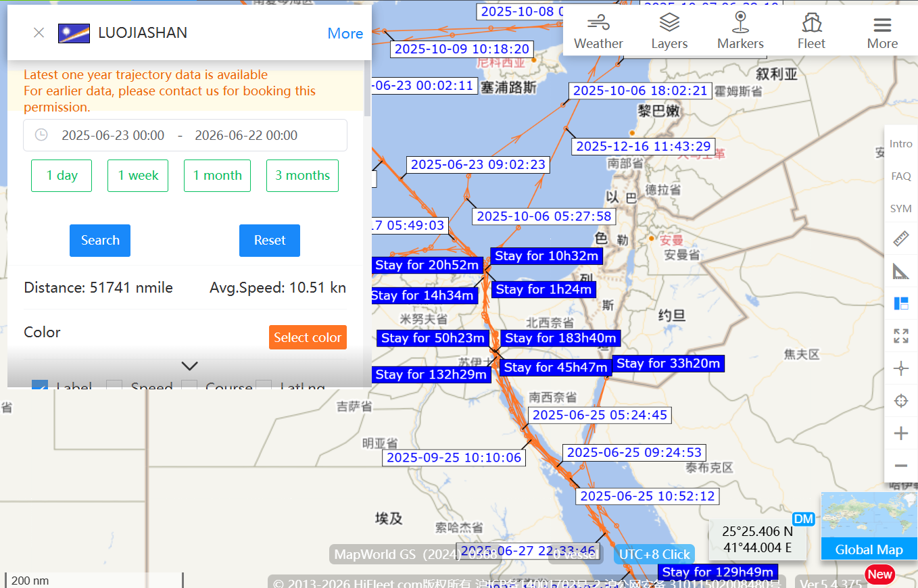
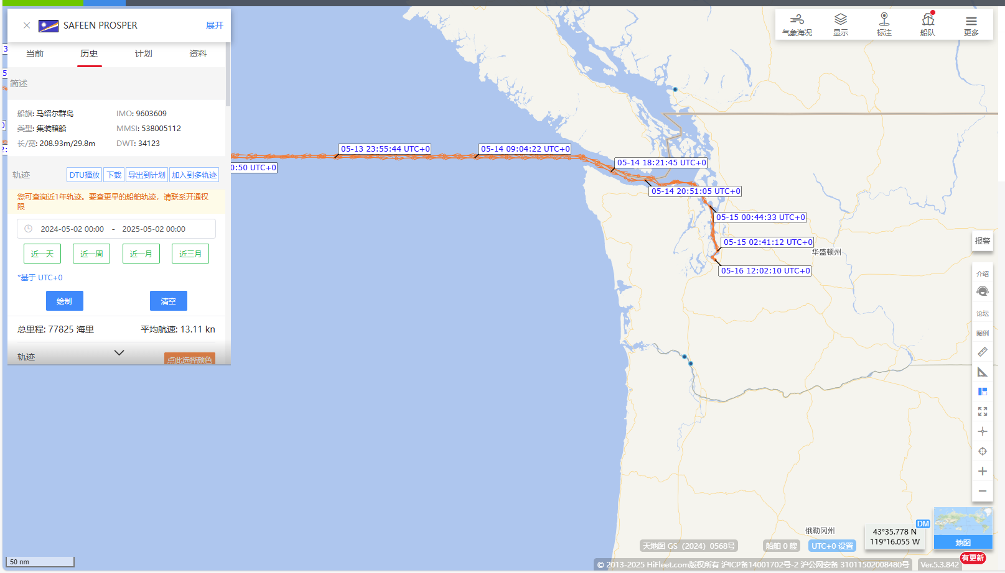
 |  | IMO: IMO 9337133 (IVY)
 |  | IMO 9284582 (“Panda”)

No Israeli, US and/or UK interests of the Vessel/Ownership/Management

